Breaker boxes
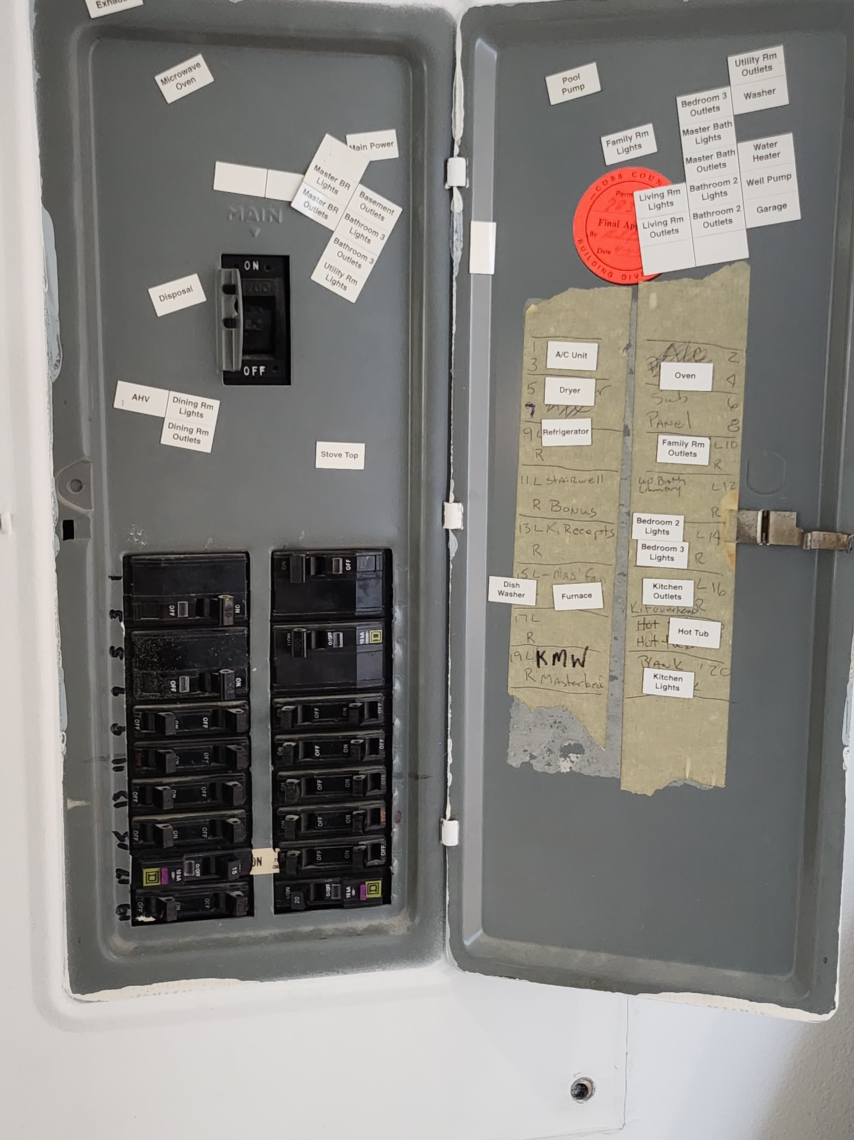
Breaker Box | Breaker Box Name | Panel Image
? | ?
M | Main
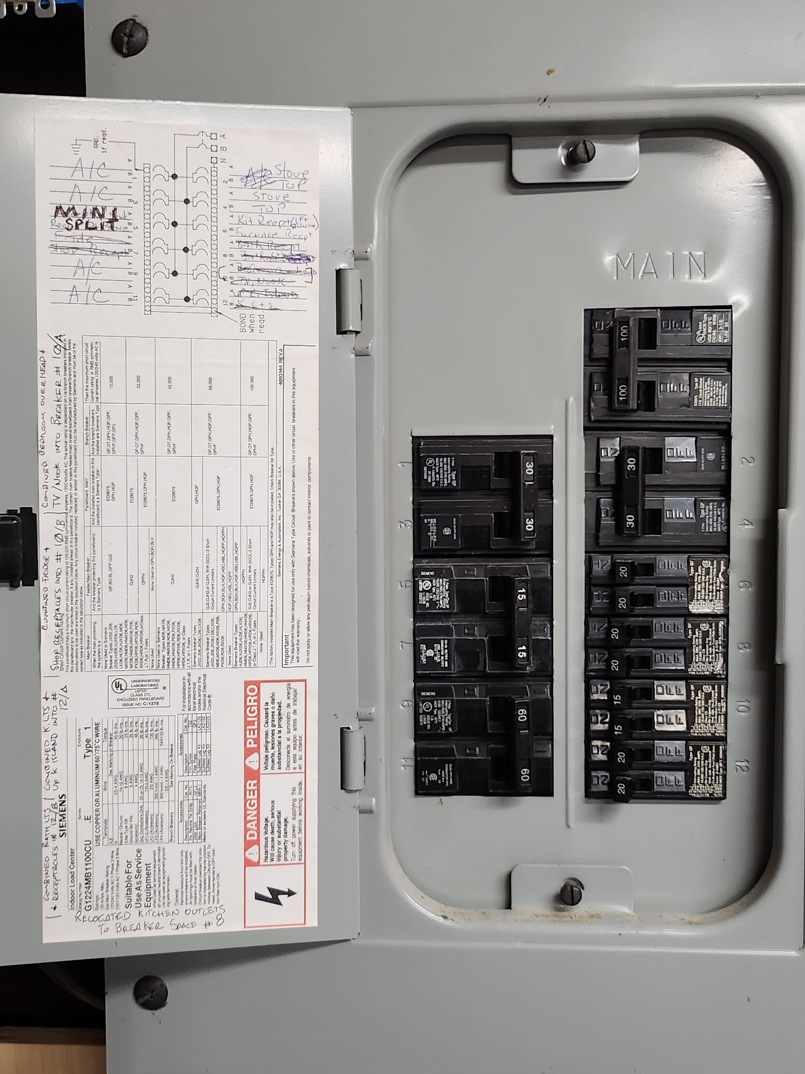
U | Utility Subpanel

